YAML & Ansible
SSH key based Auth- First time- Means when you want to connect managed node from control node
VM1 - Control Node, VM2- Managed Node VM1- 10.1.1.1, VM2- 10.2.2.2
Steps | Commands | Remarks
Generate keypair on Control node | ssh-keygen -t rsa -b 4096 -f ~/.ssh/devops-key | This will generate a public key(devops-key.pub) and private key(devops-key) under /.ssh
Copy Public Key to Managed Node | scp -i vm2.pem devops-key.pub ubuntu@10.2.2.2:/tmp/ | This will copy the public key to managed node in /tmp/ folder
SSH into VM2 using it .pem file | ssh -i vm2.pem ubuntu@10.2.2.2 | Now you are into VM2
Copy the public key content | cat /tmp/devops-key.pub >> ~/.ssh/authorized_keys | This will append the public key content to VM2's authorized_keys file
Exit from VM2 | exit
SSH into VM2 using new private key | ssh -i devops_key ubuntu@10.2.2.2 | This will make VM1 ssh into VM2 using new private key, not .pem file

Below steps will skip using private key by doing SSH Agent forwarding
Steps | Commands | Remarks
Start ssh agent | eval "$(ssh-agent -s)" | This starts the ssh agent in background and sets environment variables
Add the private key to SSH agent | ssh-add ~/.ssh/devops-key |  | Ansible
Final step | ssh -i ubuntu@10.2.2.2 | This command will ssh into VM2 without using the private key | Playboooks
 |  |  | yaml
YAML |  |  | adhoc commands
Term | Example | Meaning
Key-Value Pair | name: Install NGINX | Its like a variable or setting
List |  | A list of items
Dictionary (Map) |  | A group of key-value pairs
Nested structure | 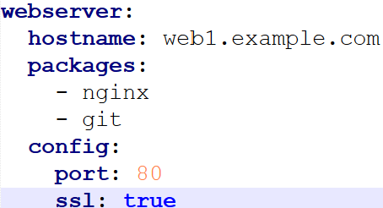 | key → value → sub-values
Scalar | "Hello" / 42 / true | Basic values (string, number, bool)
Anchor (&) and Alias (*) | 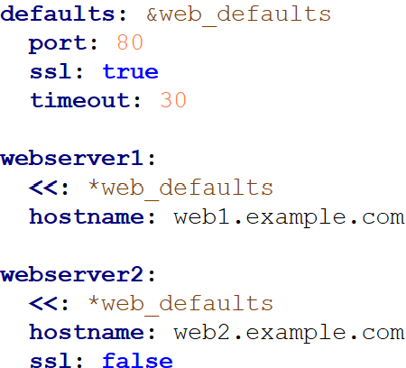 | Allows you to re-use blocks of YAML 1. &web_defaults creates an anchor 2. *web_defaults reuses that dictionary in other places using alias

Ansible adhoc command syntax |  |  | inventory file
ansible -i inventory.ini -m shell -a "apt install niginx" all -b
-I >> file name to use i.e. inventory.ini -m >> module name i.e. shell, apt, ping etc -a >> arguments or commands all >> process on all users -b >> become. It tells ansible to run the task as sudo user with privileges

Ansible Playbook
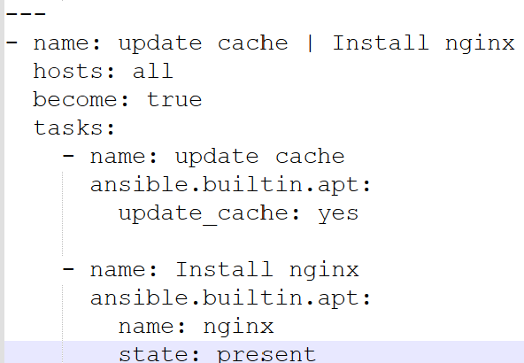 --- >> [Indicates its a yml file] - name: update cache | Install nginx >> [Tells the name of the play] hosts: all >> [Tells ansible to perform the tasks in all hosts which are in inventory.ini] become: true >> [Tell ansible to switch to sudo user] tasks: >> [Lists of tasks to be performed]

